Sheet1
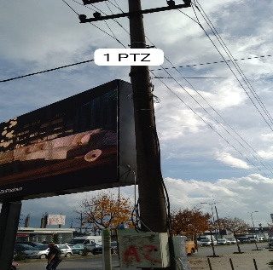
Site Survey Form
Site Name： | 647 |  | GPS :
Site City : | Gjirokastër
Type of device to install |  | Number： |  | Remark：
 |  | Number： |  | Remark：
 |  | Number： |  | Remark：
 |  | Number： |  | Remark：
 |  | Number： |  | Remark：
 |  | Number： |  | Remark：
Number of Cabinets on the Poles
Number of New Poles
Length of the new poles arms
Height of the new poles
Number of Existing Pole
Length of the existing pole arms
Number of directions
Number of lanes
Number of Junction box
Number of Traffic light Detector
Number of POE Switches
Number of Fiber Optic Transceiver
Number of New UPS with battery
Power Supply Distribution Cabinet Coordinate
Fiber Optic Distribution Cabinet Coordinate
Estimated Fibre (Meters)
Estimated Electricity (Meters)
Estimated LAN Cable (Meters)
Estimated Pipe (Meters)
Number of Current Cameras
Other considerations
Site diagram
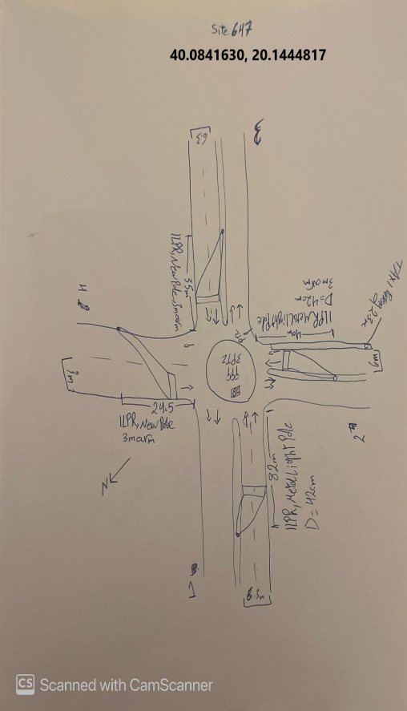
Site photos

